ART
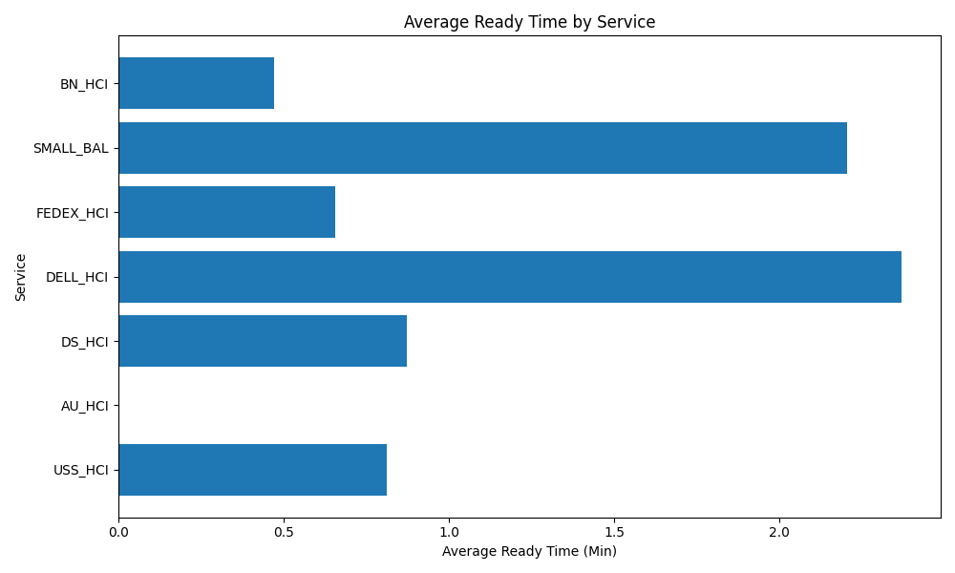
Date | Service | Successful Op Transfer | In Call (Min) | Ready (Min) | Wrapup (Min) | Not Ready (Min) | Average Ready Time (Min)
03-10-2024 | USS_HCI | 286 | 719.59997559 | 232.41999817 | 1091.5500488 | 657.40002441 | 0.81265733626
03-10-2024 | AU_HCI | 0 | 0 | 14.649999619 | 0 | 0.23000000417 | inf
03-10-2024 | DS_HCI | 894 | 939.57000732 | 779.7800293 | 1747 | 1153.5799561 | 0.87223716924
03-10-2024 | DELL_HCI | 125 | 204.22000122 | 296.04998779 | 568.92999268 | 205.75 | 2.3683999023
03-10-2024 | FEDEX_HCI | 134 | 184.27999878 | 88.029998779 | 218.82000732 | 62.599998474 | 0.6569402894
03-10-2024 | SMALL_BAL | 93 | 85.870002747 | 204.88000488 | 178.27999878 | 112.87999725 | 2.2030108052
03-10-2024 | BN_HCI | 604 | 446.76998901 | 284.61999512 | 1245.0500488 | 709.7199707 | 0.47122515748

